FAO
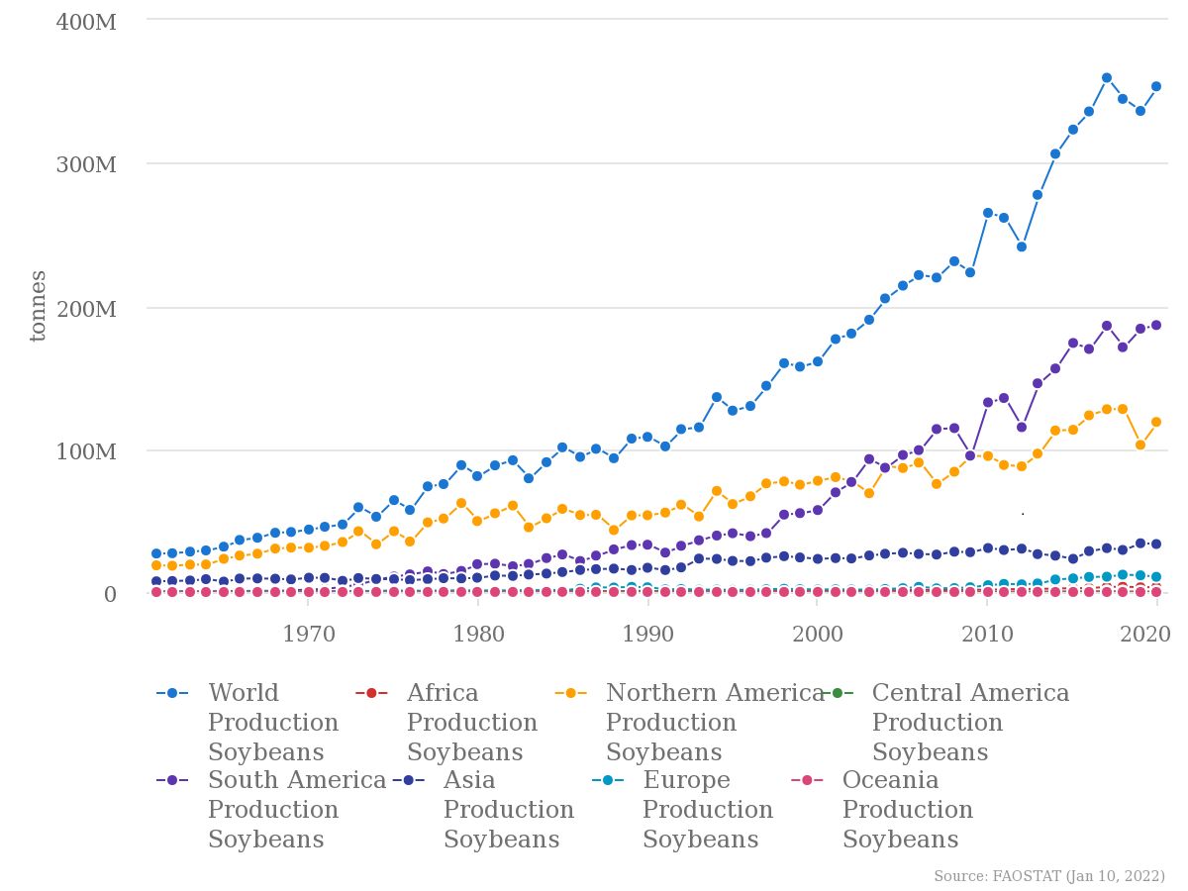
Crop | Production (Million tonnes 2020) |  | Production Quantity (tonnes) | Area harvested (ha) | tonnes/ha
Sugar cane | 1870 | Wheat | 7.61E+08 | 2.19E+08 | 3.47E+00
Maize | 1162 | Soybeans | 3.53E+08 | 1.27E+08 | 2.78E+00
Wheat | 761 | Rice, paddy | 7.57E+08 | 1.64E+08 | 4.61E+00
Rice, paddy | 757 | Maize | 1.16E+09 | 2.02E+08 | 5.75E+00
Rice, paddy (rice milled equivalent) | 505
Oil palm fruit | 418
Potatoes | 359
Soybeans | 353
Groundnut (Peanut) | 54 |  | 100 m² = are
Dry Beans (common bean) | 27 |  | 10000 m² = ha
Green peas | 20
Chickpeas | 15
Peas | 14
Cow Peas | 9
Pigeon Peas | 5

Data : FAO 2020

Soy prod and yield WW
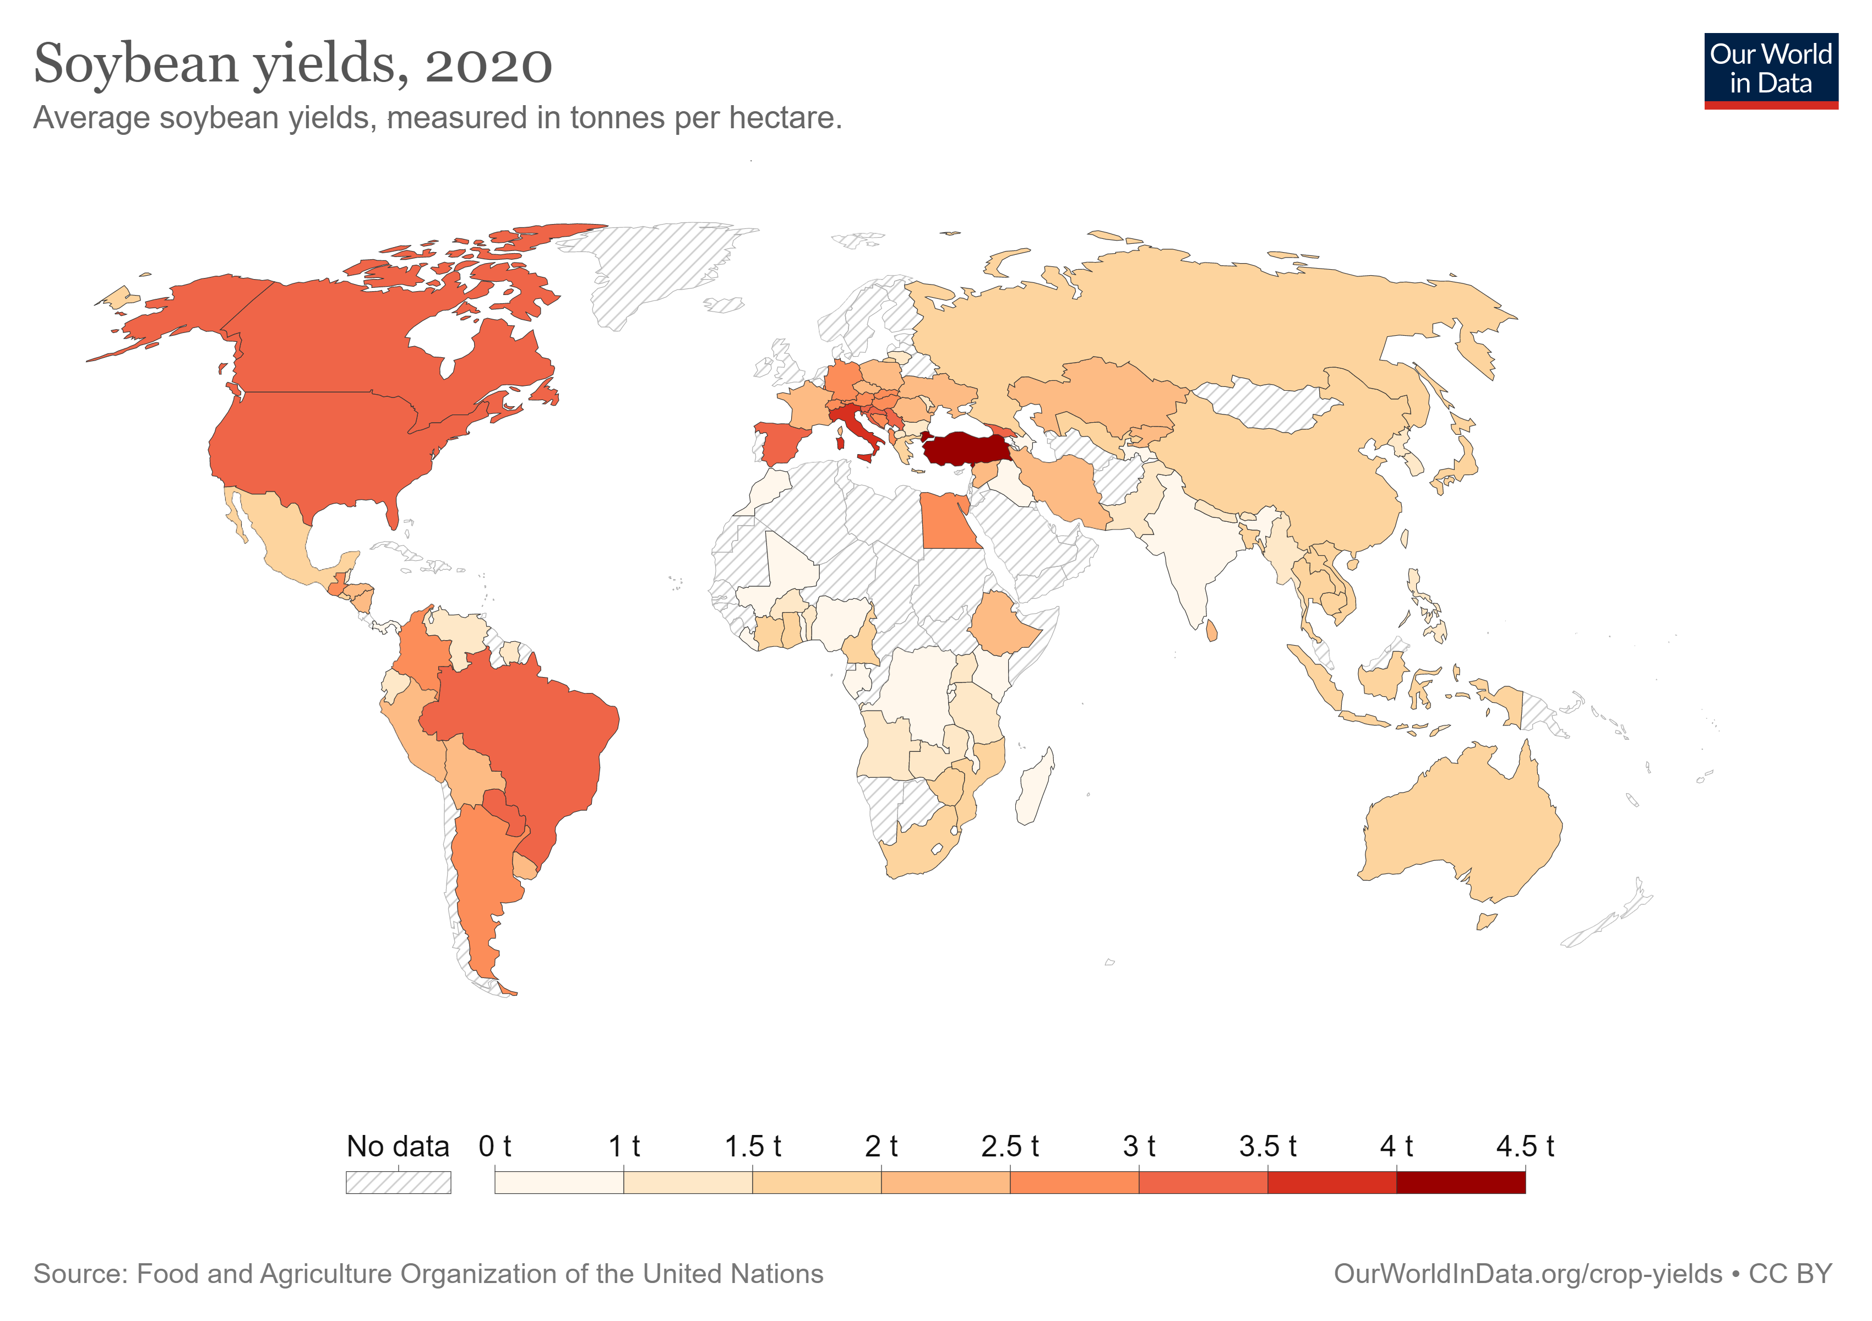

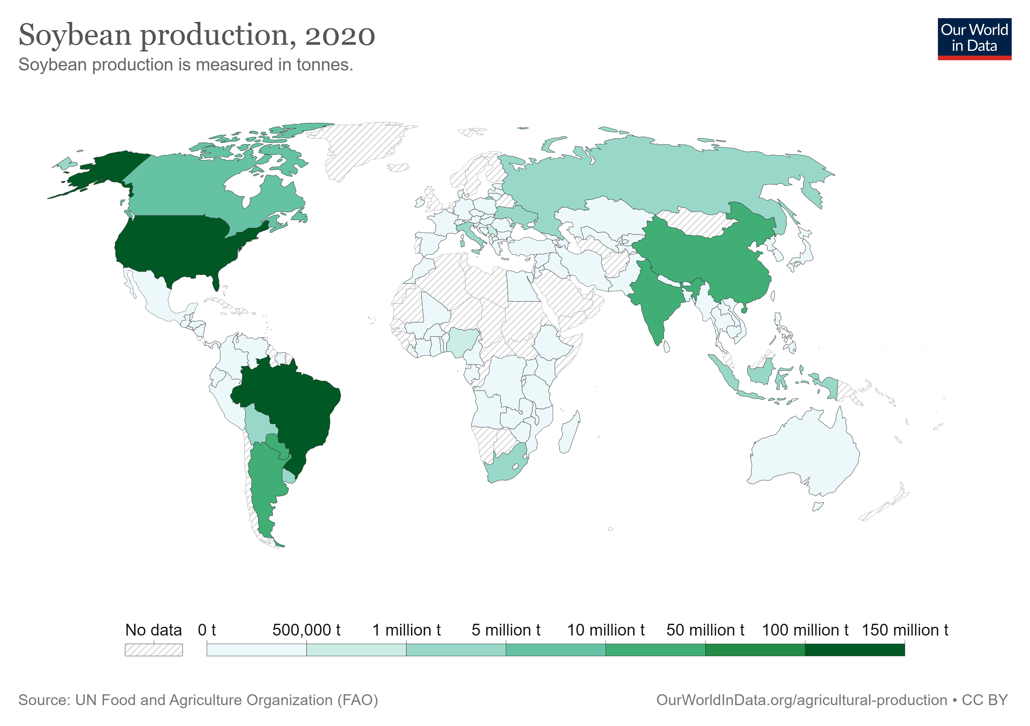

Drivers of deforesting
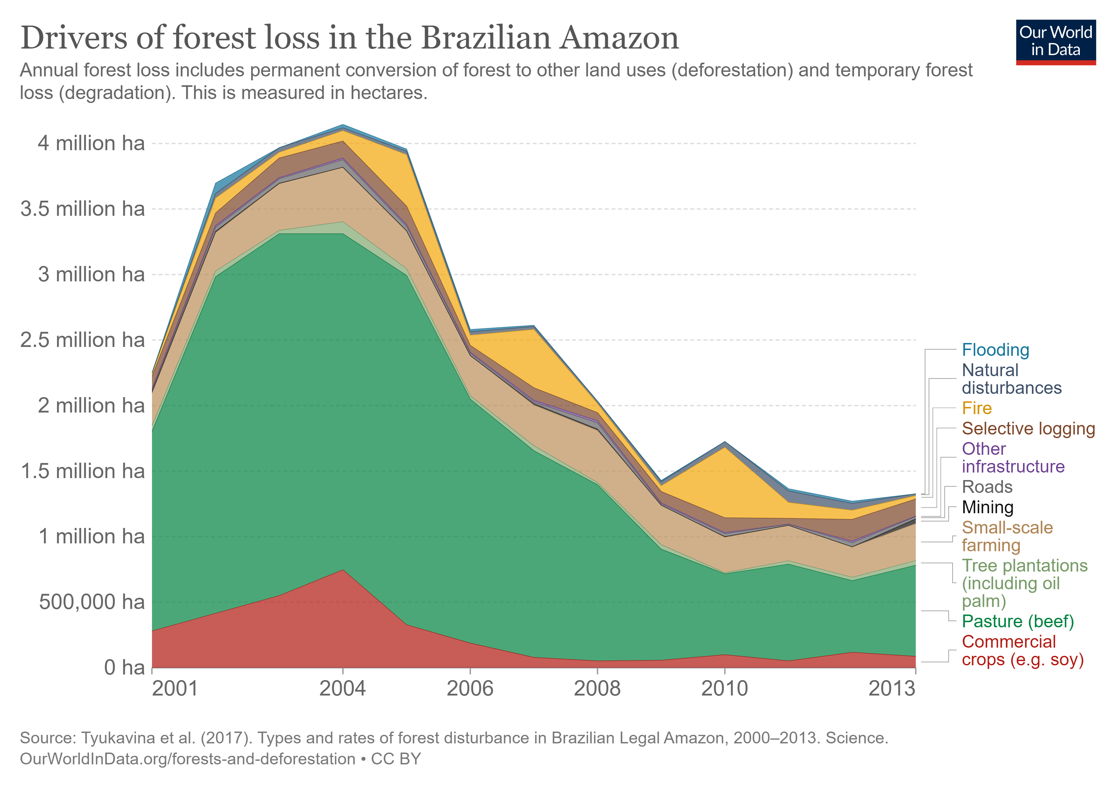

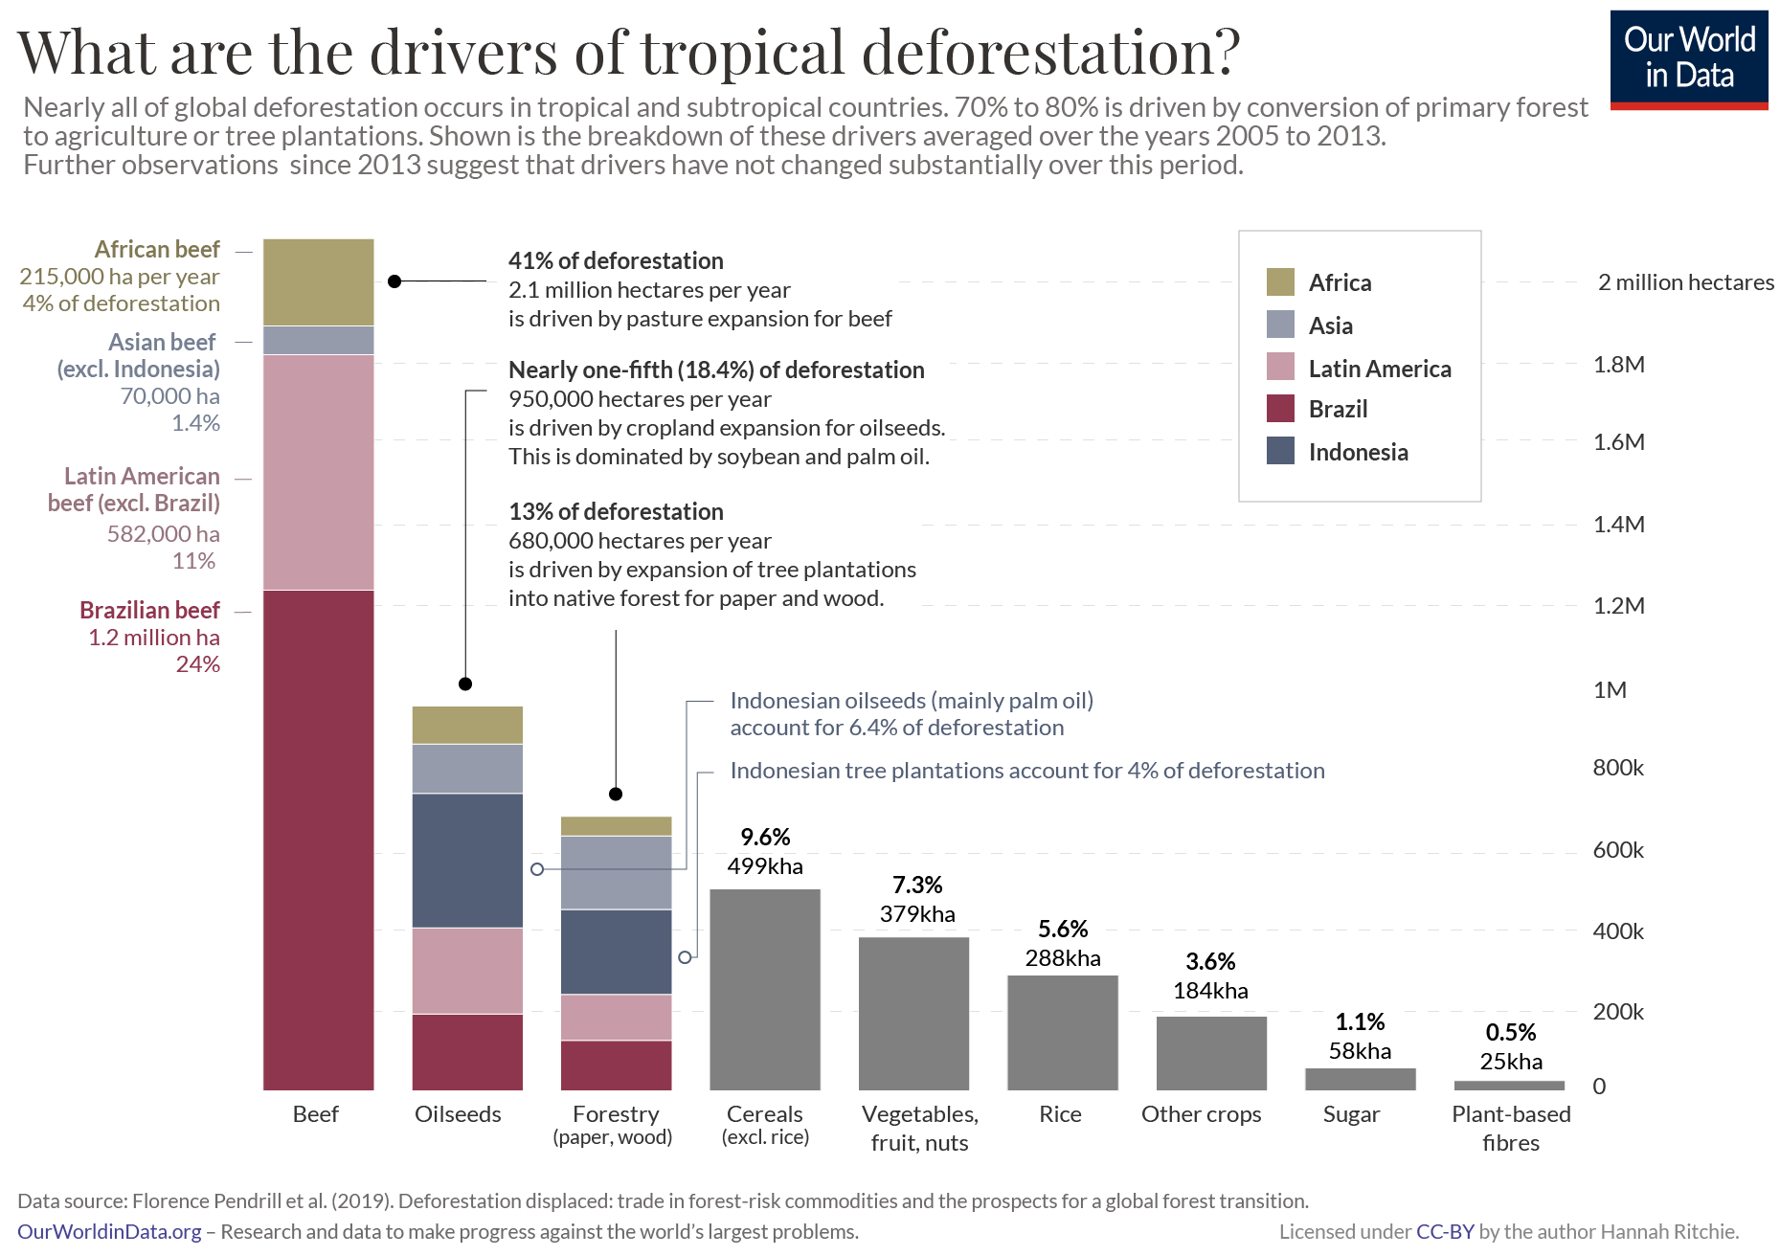

SOY %
